Figure 1
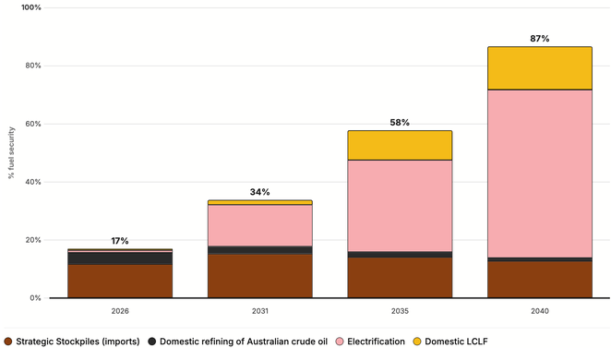

Australia can achieve very high levels of fuel security by 2040
Notes: Central Scenario. LCLF = Low Carbon Liquid Fuel
Source: TSI analysis

Year | Unit | 2026 | 2031 | 2035 | 2040 | Column1
Lever 1 — Electrification displacement | % | 0.8% | 14% | 32% | 58%
Lever 2 — Domestic LCLF | % | 0.5% | 1.6% | 10% | 15%
Lever 3 — Domestic fossil | % | 4.0% | 2.5% | 1.7% | 1.1%
Lever 4 — Strategic Stockpiles | % | 12% | 15% | 14% | 13%
TOTAL Secure Supply | % | 17% | 34% | 58% | 87%
Full Fuel Security | % | 100% | 100% | 100% | 100%

Figure 2
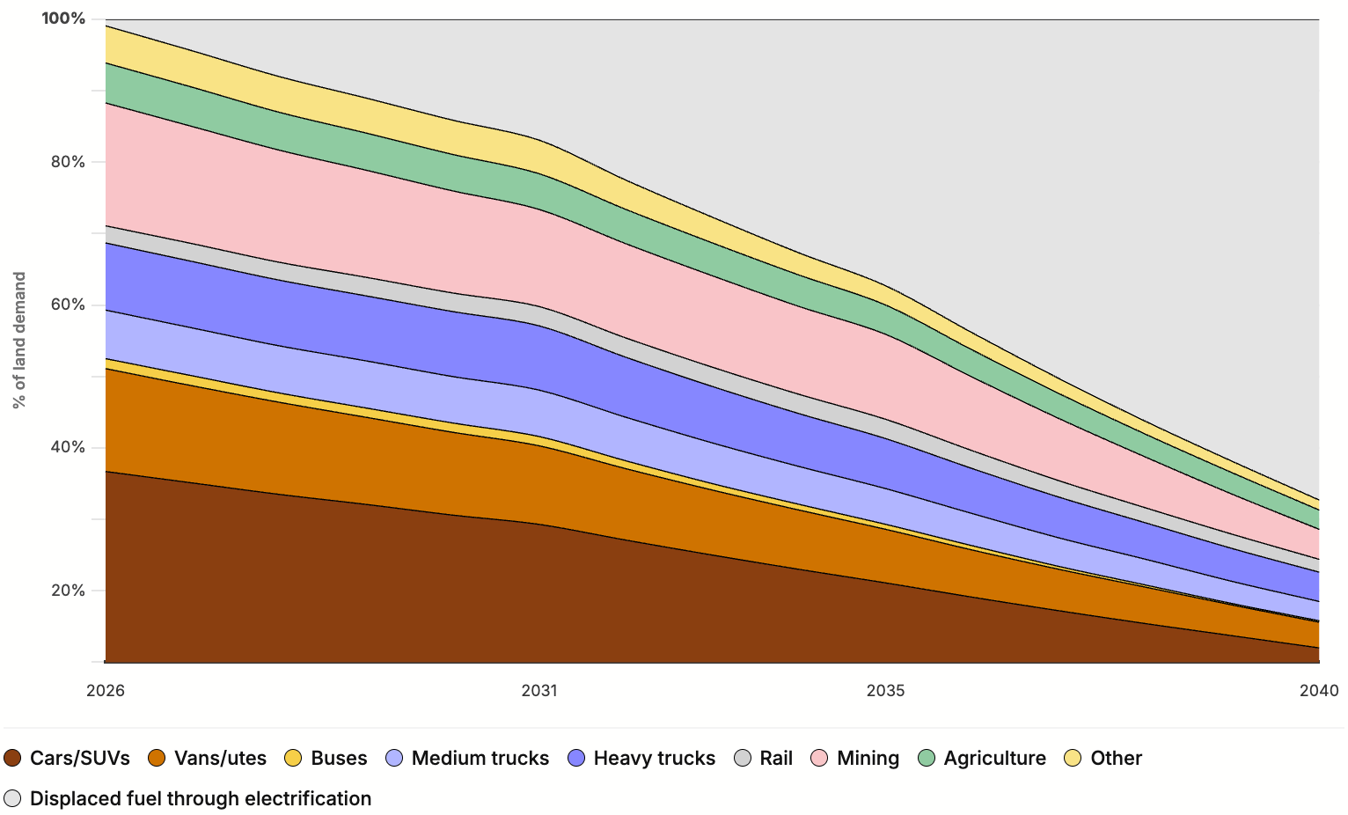

Electrification can displace 67 per cent of land-based liquid fuel use by 2040
Notes: Central Scenario. SUV = Sports Utility Vehicle
Source: TSI analysis

Sector | Unit | 2026 | 2031 | 2035 | 2040
Small passenger (cars/SUVs) | % | 98% | 79% | 57% | 32%
Light commercial (vans/utes) | % | 99% | 76% | 51% | 25%
Buses | % | 100% | 84% | 50% | 10%
Rigid trucks (medium freight) | % | 100% | 95% | 73% | 40%
Articulated trucks (heavy haul) | % | 100% | 95% | 74% | 42%
Mining | % | 100% | 80% | 70% | 25%
Rail freight + regional passenger | % | 100% | 90% | 85% | 60%
Agriculture | % | 100% | 90% | 75% | 50%
Other | % | 100% | 90% | 50% | 25%

Figure 3
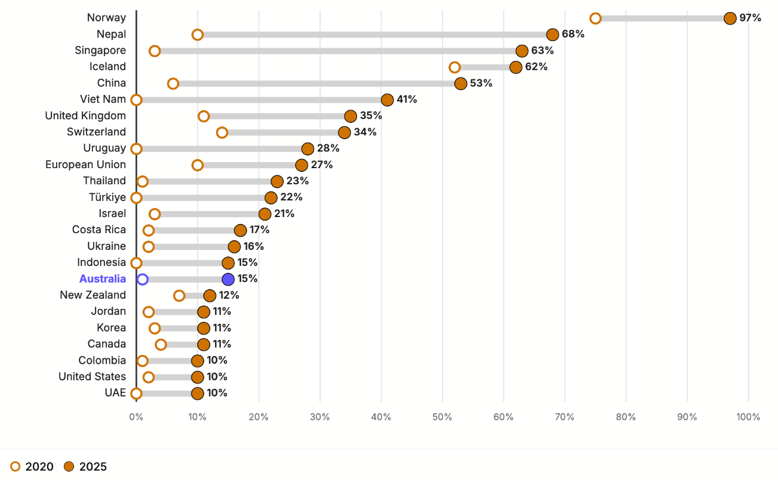

Australia has been slow to adopt electric vehicles compared to other countries
Source: IEA

Country | 2020 Share (%) | 2025 Share (%)
Norway | 75 | 97
Nepal | 10 | 68
Iceland | 52 | 62
Singapore | 3 | 63
China | 6 | 53
Viet Nam | 0 | 41
United Kingdom | 11 | 35
Switzerland | 14 | 34
Uruguay | 0 | 28
European Union | 10 | 27
Thailand | 1 | 23
Türkiye | 0 | 22
Israel | 3 | 21
Costa Rica | 2 | 17
Ukraine | 2 | 16
Indonesia | 0 | 15
Australia | 1 | 15
New Zealand | 7 | 12
Jordan | 2 | 11
Korea | 3 | 11
Canada | 4 | 11
Colombia | 1 | 10
United States | 2 | 10
UAE | 0 | 10

Figure 4
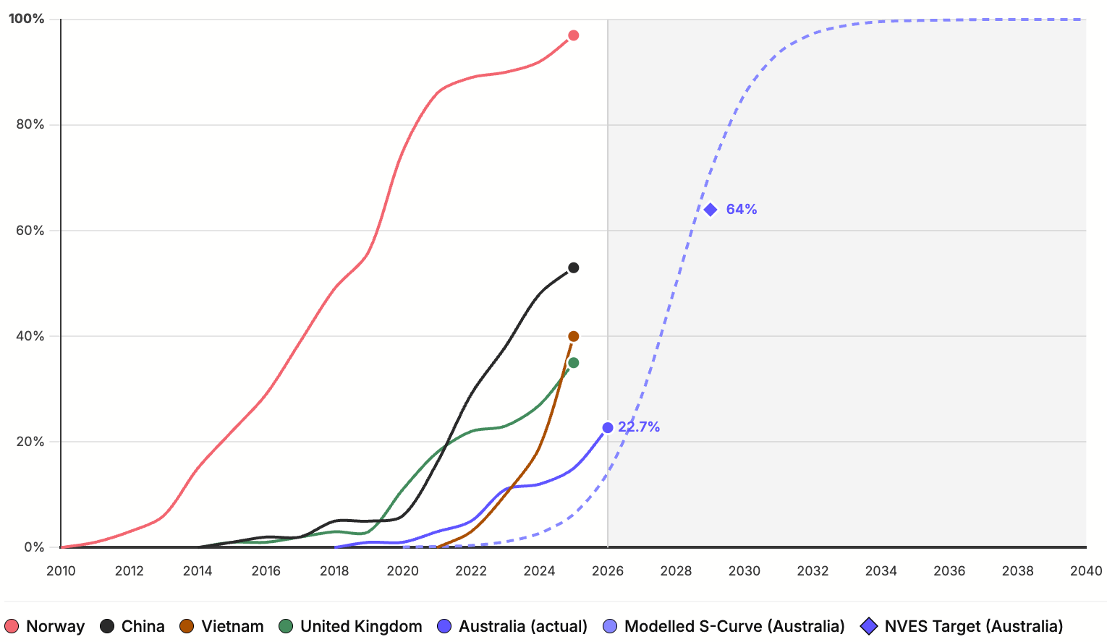

Australian sales of passenger electric vehicles can be expected to follow international ‘S-Curves’
Notes: NVES = New Vehicles Efficiency Standard; EV = light electric vehicle, including both battery electric vehicles and plug-in hybrid electric vehicles. ‘S-curves’ describe the adoption rate of new technologies, based on sales. Australia’s 2026 sales figure is the average sales through the year to May, based on reporting of VFACTS data.
Source: IEA

Year | S-Curve Value (%) | Australia Act. (%) | NVES Implied (%) | Norway (%) | China (%) | Viet Nam (%) | UK (%)
2010 |  |  |  | 0
2011 |  |  |  | 1
2012 |  |  |  | 3
2013 |  |  |  | 6
2014 |  |  |  | 15 | 0 |  | 0
2015 |  |  |  | 22 | 1 |  | 1
2016 |  |  |  | 29 | 2 |  | 1
2017 |  |  |  | 39 | 2 |  | 2
2018 |  | 0 |  | 49 | 5 |  | 3
2019 |  | 1 |  | 56 | 5 |  | 3
2020 | 0.1 | 1 |  | 75 | 6 |  | 11
2021 | 0.2 | 3 |  | 86 | 16 | 0 | 18
2022 | 0.4 | 5 | 0 | 89 | 29 | 3 | 22
2023 | 1.1 | 11 |  | 90 | 38 | 10 | 23
2024 | 2.7 | 12 |  | 92 | 48 | 19 | 27
2025 | 6.3 | 15 | 12.4 | 97 | 53 | 40 | 35
2026 | 14.2 | 23 | 27.3
2027 | 28.9 |  | 42.9
2028 | 50 |  | 57.8
2029 | 71.1 |  | 64
2030 | 85.8
2031 | 93.7
2032 | 97.3
2033 | 98.9
2034 | 99.6
2035 | 99.8
2036 | 99.9
2037 | 100
2038 | 100
2039 | 100
2040 | 100

Figure 5
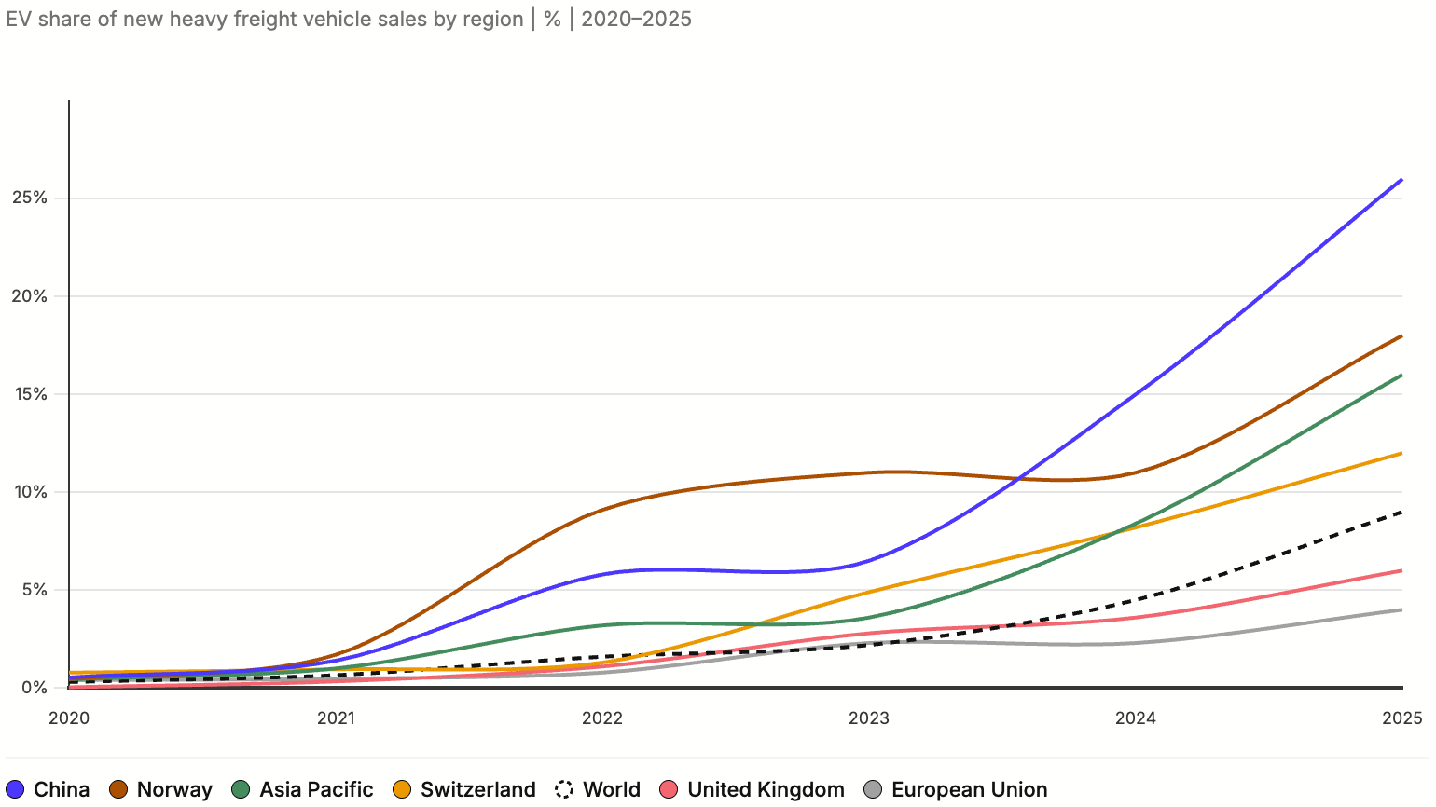

Electric heavy vehicle sales are rising in other countries

Source: IEA

Year | World (%) | Asia Pacific (%) | Europe Union (%) | United Kingdom (%) | Switzerland (%) | Norway (%) | China (%)
2020 | 0.31 | 0.44 | 0.4 | 0.043 | 0.79 | 0.45 | 0.54
2021 | 0.66 | 1.00 | 0.48 | 0.34 | 0.96 | 1.7 | 1.4
2022 | 1.60 | 3.20 | 0.79 | 1.1 | 1.3 | 9.1 | 5.8
2023 | 2.20 | 3.60 | 2.3 | 2.8 | 4.9 | 11 | 6.5
2024 | 4.50 | 8.40 | 2.3 | 3.6 | 8.2 | 11 | 15
2025 | 9.00 | 16.00 | 4 | 6 | 12 | 18 | 26

Figure 6
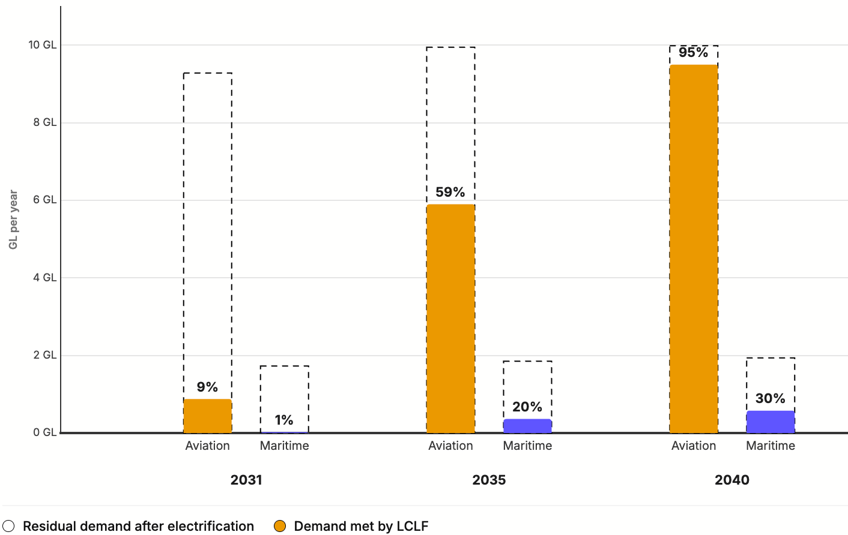

Australian LCLFs can meet nearly all Australia’s aviation fuel needs by 2040
Notes: Central scenario. LCLFs = Low Carbon Liquid Fuels. GL = gigalitres. Bio-methanol for maritime requires about 2.2 times the volume for the equivalent energy content of fossil marine fuels, which is accounted for in volume analysis. Bio-methanol production is 0.8 GL in 2031, 1.6 GL in 2035 and 1.3 GL in 2040. This scenario also produces increasing amounts of RD – up to 1.1 GL in 2040, equivalent to 7 per cent of residual diesel demand.
Source: TSI analysis

Year | Unit | 2026 | 2031 | 2035 | 2040
Aviation Residual Fuel Demand (after electrification) | GL / year | 8.40 | 9.3 | 10 | 10
SAF Supply | GL / year | 0.00 | 0.9 | 5.9 | 9.5
% of Aviation Residual Fuel Demand | % | 0.00 | 9% | 59% | 95%

Maritime Residual Fuel Demand (after electrification) | GL / year | 1.60 | 1.7 | 1.9 | 1.9
LCLF Supply for Maritime | GL / year-equivalent | 0.00 | 0.03 | 0.4 | 0.6
% of Maritime Residual Fuel Demand | % | 0.00 | 1.50% | 20% | 30%

Figure 7a
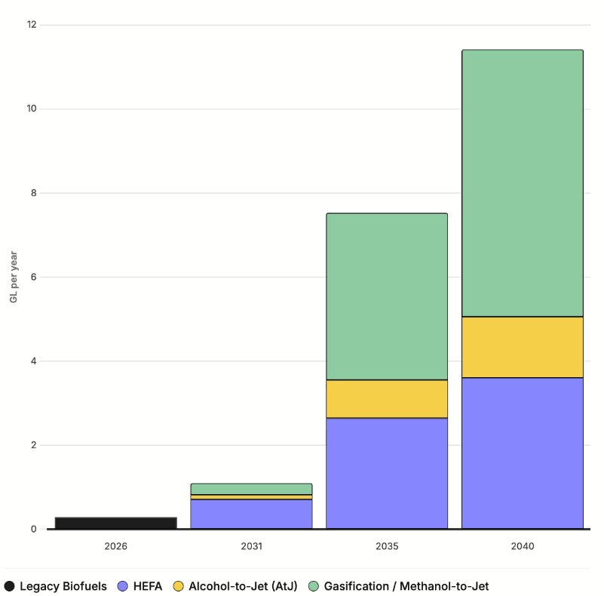

LCLF production harnesses different feedstocks and pathways
Notes: Central scenario. HEFA (hydroprocessed esters and fatty acids). Legacy biofuels include ethanol and biodiesel. See Box 2 for more detail on production pathways.
Source: TSI analysis

Year | Unit | 2026 | 2031 | 2035 | 2040
Legacy Biofuels | GL/Y | 0.30 | 0.00 | 0 | 0
HEFA | GL/Y | 0.00 | 0.70 | 2.6 | 4.3
Alcohol-to-Jet | GL/Y | 0.00 | 0.10 | 0.8 | 1.2
Gasification Methanol-to-Jet | GL/Y | 0.00 | 0.30 | 4 | 6.4
Total LCLF | GL/Y | 0.30 | 1.10 | 7.4 | 11.9

Figure 7b
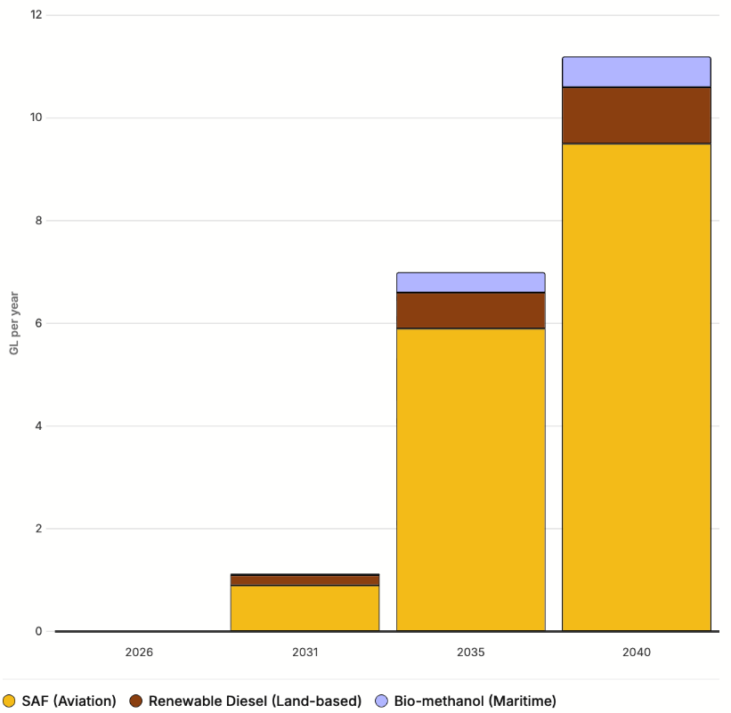

The majority of LCLF production is SAF for the aviation sector
Notes: Central scenario. HEFA (hydroprocessed esters and fatty acids). Legacy biofuels include ethanol and biodiesel. See Box 2 for more detail on production pathways.
Source: TSI analysis

Year | Unit | 2026 | 2031 | 2035 | 2040
SAF (Aviation) | GL/Y | 0.00 | 0.9 | 5.9 | 9.5
Renewable Diesel (Land-based) | GL/Y | 0.00 | 0.2 | 0.7 | 1.1
Bio-methanol (Maritime) | GL/Y-equivalent | 0.00 | 0 | 0.4 | 0.6

Figure 8
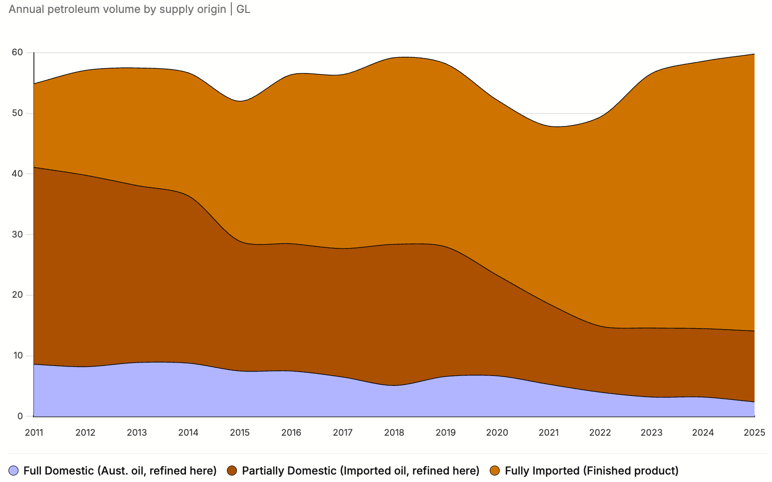

Australia relies on imported refined fuels and imported crude oil, with very low sovereign fuel supply
Sources: Australian Petroleum Statistics Feb 2026, IEA Australia Oil Data 2000 to 2024.

Year | Unit | Full Domestic Fuel (Australian oil, refined here) - APS Data | Partially Domestic Fuel (Imported oil, refined here) - APS Data | Fully Imported Fuel (Finished product) - IEA Data | TOTAL
2011 | GL/Y | 8.60 | 32.5 | 13.8 | 54.9
2012 | GL/Y | 8.20 | 31.6 | 17.3 | 57.1
2013 | GL/Y | 8.90 | 29.2 | 19.4 | 57.5
2014 | GL/Y | 8.80 | 27.6 | 20.3 | 56.7
2015 | GL/Y | 7.50 | 21.4 | 23.1 | 52
2016 | GL/Y | 7.50 | 21 | 27.9 | 56.4
2017 | GL/Y | 6.50 | 21.2 | 28.7 | 56.4
2018 | GL/Y | 5.10 | 23.3 | 30.8 | 59.2
2019 | GL/Y | 6.60 | 21.4 | 30.2 | 58.2
2020 | GL/Y | 6.70 | 16.6 | 28.9 | 52.2
2021 | GL/Y | 5.30 | 13.3 | 29.3 | 47.9
2022 | GL/Y | 4.00 | 10.9 | 34.5 | 49.4
2024 | GL/Y | 3.20 | 11.3 | 44.1 | 58.6
2025 | GL/Y | 2.40 | 11.7 | 45.7 | 59.8

Figure 9
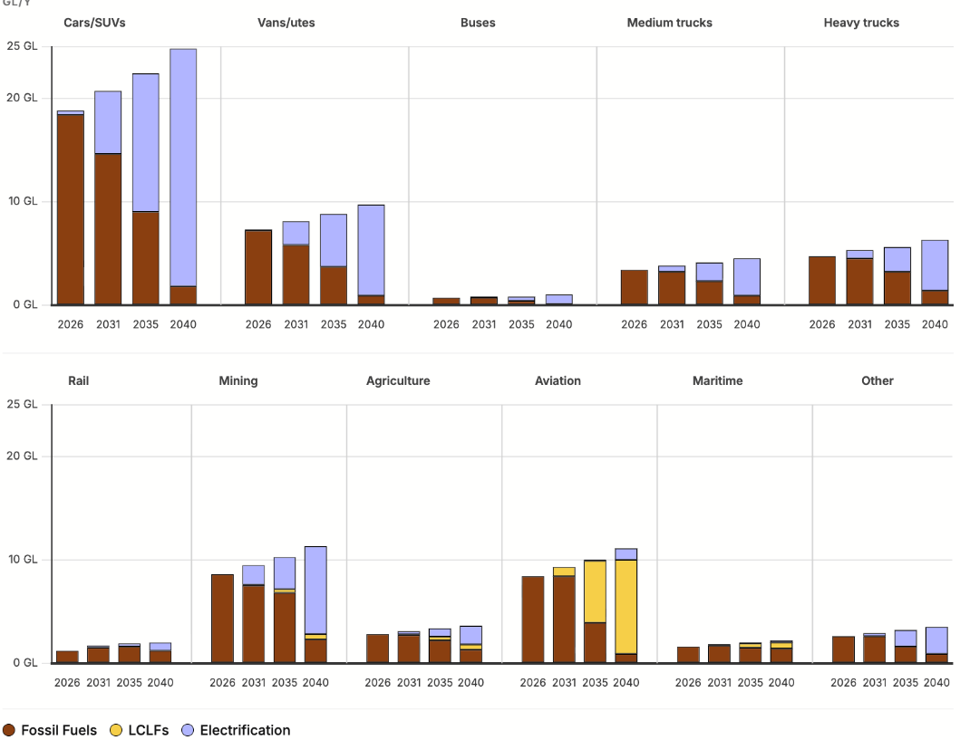

Electrification and LCLFs can meet rising demand across different sectors of the Australian economy

Source: TSI analysis

Lever 1 - Electrification
Sector | Unit | 2026 | 2031 | 2035 | 2040 | Column1 | Column2
Small passenger (cars/SUVs) | GL/Y | 0.40 | 4.4 | 9.7 | 16.8
Light commercial (vans/utes) | GL/Y | 0.10 | 1.9 | 4.2 | 7.2
Buses | GL/Y | 0.00 | 0.1 | 0.4 | 0.9
Rigid trucks (medium freight) | GL/Y | 0.00 | 0.2 | 1.1 | 2.7
Articulated trucks (heavy haul) | GL/Y | 0.00 | 0.2 | 1.5 | 3.6
Mining | GL/Y | 0.00 | 1.9 | 3.1 | 8.5
Rail freight + regional passenger | GL/Y | 0.00 | 0.2 | 0.3 | 0.8
Agriculture | GL/Y | 0.00 | 0.3 | 0.8 | 1.8
Other | GL/Y | 0.00 | 0.3 | 1.6 | 2.6
Aviation | GL/Y | 0.00 | 0 | 0.1 | 1.1
Maritime | GL/Y | 0.00 | 0.1 | 0.1 | 0.2

Lever 2 - LCLF
Sector | Unit | 2026 | 2031 | 2035 | 2040
Small passenger (cars/SUVs) | GL/Y | 0.00 | 0 | 0 | 0
Light commercial (vans/utes) | GL/Y | 0.00 | 0 | 0 | 0
Buses | GL/Y | 0.00 | 0 | 0 | 0
Rigid trucks (medium freight) | GL/Y | 0.00 | 0 | 0 | 0
Articulated trucks (heavy haul) | GL/Y | 0.00 | 0 | 0 | 0
Mining | GL/Y | 0.00 | 0.08 | 0.34 | 0.55
Rail freight + regional passenger | GL/Y | 0.00 | 0 | 0 | 0
Agriculture | GL/Y | 0.00 | 0.08 | 0.34 | 0.55
Other | GL/Y | 0.00 | 0 | 0 | 0
Aviation | GL/Y | 0.00 | 0.9 | 5.9 | 9.5
Maritime | GL/Y | 0.00 | 0.03 | 0.4 | 0.6

Lever 3 - Fossil Fuels
Sector | Unit | 2026 | 2031 | 2035 | 2040
Small passenger (cars/SUVs) | GL/Y | 18.4 | 16.3 | 12.7 | 8
Light commercial (vans/utes) | GL/Y | 7.2 | 6.1 | 4.5 | 2.4
Buses | GL/Y | 0.7 | 0.7 | 0.4 | 0.1
Rigid trucks (medium freight) | GL/Y | 3.4 | 3.6 | 3 | 1.8
Articulated trucks (heavy haul) | GL/Y | 4.7 | 5 | 4.2 | 2.7
Mining | GL/Y | 8.6 | 7.5 | 6.8 | 2.3
Rail freight + regional passenger | GL/Y | 1.2 | 1.5 | 1.6 | 1.2
Agriculture | GL/Y | 2.8 | 2.7 | 2.2 | 1.3
Other | GL/Y | 2.6 | 2.6 | 1.6 | 0.9
Aviation | GL/Y | 8.4 | 8.4 | 4 | 0.5
Maritime | GL/Y | 1.6 | 1.7 | 1.5 | 1.4

Total
Sector | Unit | 2026 | 2031 | 2035 | 2040
Small passenger (cars/SUVs) | GL/Y | 18.8 | 20.7 | 22.4 | 24.8
Light commercial (vans/utes) | GL/Y | 7.3 | 8.1 | 8.7 | 9.6
Buses | GL/Y | 0.7 | 0.8 | 0.9 | 1
Rigid trucks (medium freight) | GL/Y | 3.4 | 3.8 | 4.1 | 4.5
Articulated trucks (heavy haul) | GL/Y | 4.7 | 5.2 | 5.7 | 6.3
Mining | GL/Y | 8.6 | 9.5 | 10.2 | 11.3
Rail freight + regional passenger | GL/Y | 1.2 | 1.7 | 1.8 | 2
Agriculture | GL/Y | 2.8 | 3.1 | 3.3 | 3.7
Other | GL/Y | 2.6 | 2.9 | 3.1 | 3.4
Aviation | GL/Y | 8.4 | 9.3 | 10.1 | 11.1
Maritime | GL/Y | 1.6 | 1.8 | 2 | 2.2
TOTAL | GL/Y | 60.1 | 66.8 | 72.3 | 79.8

